sorted data
 |  |  |  |  | Segments
 |  |  |  |  | channel partners
ID | Segment | Country | Date | Profit | enterprise
297 | Channel Partners | Canada | 1-Jun-21 | -14202 | government
46 | Channel Partners | Canada | 1-Jun-21 | 17043 | midmarkets
36 | Channel Partners | Canada | 1-Aug-21 | 55010 | small business
160 | Channel Partners | Canada | 1-Jan-21 | 60394
27 | Channel Partners | Canada | 1-May-21 | 166490 | Screenshots
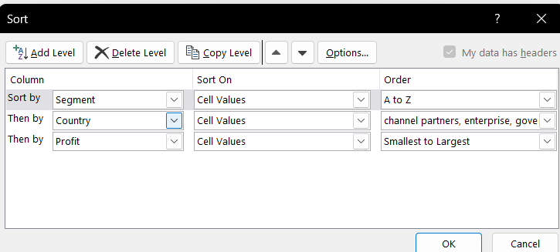
158 | Channel Partners | Canada | 1-Apr-21 | 196137
29 | Channel Partners | Canada | 1-Dec-21 | 219249
278 | Channel Partners | Canada | 1-Dec-21 | 232472
231 | Channel Partners | France | 1-Nov-21 | 39271
25 | Channel Partners | France | 1-Sep-21 | 60921
31 | Channel Partners | France | 1-Aug-21 | 87532
220 | Channel Partners | France | 1-Apr-21 | 89649
164 | Channel Partners | France | 1-Dec-21 | 112636
284 | Channel Partners | France | 1-Nov-21 | 195638
89 | Channel Partners | France | 1-Nov-21 | 211082
167 | Channel Partners | France | 1-May-21 | 223042
207 | Channel Partners | France | 1-Sep-21 | 258051
97 | Channel Partners | France | 1-May-21 | 258583
272 | Channel Partners | Germany | 1-Nov-21 | 55433
177 | Channel Partners | Germany | 1-Apr-21 | 61230
179 | Channel Partners | Germany | 1-Feb-21 | 74022
45 | Channel Partners | Germany | 1-Mar-21 | 87460
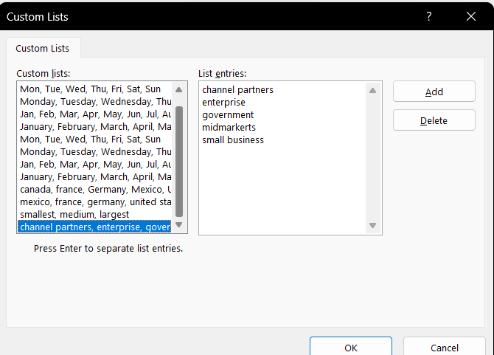
209 | Channel Partners | Germany | 1-Mar-21 | 114470
295 | Channel Partners | Germany | 1-Jun-21 | 223894
154 | Channel Partners | Germany | 1-Apr-21 | 247904
285 | Channel Partners | Germany | 1-Jan-21 | 256329
44 | Channel Partners | Mexico | 1-Oct-21 | 18670
294 | Channel Partners | Mexico | 1-Mar-21 | 155535
232 | Channel Partners | Mexico | 1-Sep-21 | 208038
102 | Channel Partners | Mexico | 1-Jul-21 | 219148
165 | Channel Partners | Mexico | 1-May-21 | 232025
33 | Channel Partners | Mexico | 1-Sep-21 | 242254
159 | Channel Partners | United States of America | 1-Jan-21 | 6345
163 | Channel Partners | United States of America | 1-Mar-21 | 30219
88 | Channel Partners | United States of America | 1-Jan-21 | 41318
276 | Channel Partners | United States of America | 1-Jul-21 | 59920
300 | Channel Partners | United States of America | 1-Sep-21 | 74093
85 | Channel Partners | United States of America | 1-Aug-21 | 124717
37 | Channel Partners | United States of America | 1-Dec-21 | 142874
84 | Channel Partners | United States of America | 1-Jul-21 | 152936
184 | Channel Partners | United States of America | 1-Apr-21 | 189847
289 | Channel Partners | United States of America | 1-Feb-21 | 192728
157 | Channel Partners | United States of America | 1-Apr-21 | 201120
310 | Channel Partners | United States of America | 1-Jul-21 | 252080
166 | Enterprise | Canada | 1-Jul-21 | 23560
304 | Enterprise | Canada | 1-Jun-21 | 34080
280 | Enterprise | Canada | 1-Jan-21 | 40778
87 | Enterprise | Canada | 1-Aug-21 | 99343
273 | Enterprise | Canada | 1-Jul-21 | 104422
293 | Enterprise | Canada | 1-Nov-21 | 161110
229 | Enterprise | France | 1-Dec-21 | 12709
113 | Enterprise | France | 1-Jul-21 | 26819
221 | Enterprise | France | 1-Apr-21 | 42319
117 | Enterprise | France | 1-May-21 | 57755
203 | Enterprise | France | 1-Dec-21 | 71529
100 | Enterprise | France | 1-Aug-21 | 109849
182 | Enterprise | France | 1-May-21 | 164464
26 | Enterprise | France | 1-Jan-21 | 180969
236 | Enterprise | France | 1-Dec-21 | 210352
234 | Enterprise | France | 1-Oct-21 | 236531
313 | Enterprise | Germany | 1-Aug-21 | 7269
120 | Enterprise | Germany | 1-Aug-21 | 19002
202 | Enterprise | Germany | 1-Aug-21 | 23010
111 | Enterprise | Germany | 1-Jul-21 | 36547
180 | Enterprise | Germany | 1-May-21 | 124153
94 | Enterprise | Germany | 1-Mar-21 | 126174
115 | Enterprise | Germany | 1-Sep-21 | 220591
224 | Enterprise | Mexico | 1-May-21 | 1696
109 | Enterprise | Mexico | 1-Feb-21 | 13845
226 | Enterprise | Mexico | 1-Feb-21 | 27849
302 | Enterprise | Mexico | 1-Aug-21 | 75634
40 | Enterprise | Mexico | 1-Aug-21 | 86220
104 | Enterprise | Mexico | 1-Jun-21 | 91931
205 | Enterprise | Mexico | 1-Feb-21 | 157993
42 | Enterprise | Mexico | 1-Apr-21 | 173199
279 | Enterprise | United States of America | 1-Nov-21 | 28110
307 | Enterprise | United States of America | 1-Mar-21 | 75969
86 | Enterprise | United States of America | 1-Dec-21 | 198140
75 | Government | Canada | 1-Jul-21 | 7819
73 | Government | Canada | 1-Dec-21 | 8406
197 | Government | Canada | 1-Jun-21 | 17150
129 | Government | Canada | 1-Oct-21 | 24838
74 | Government | Canada | 1-Jun-21 | 27137
60 | Government | Canada | 1-Jun-21 | 32352
8 | Government | Canada | 1-Jan-21 | 36125
262 | Government | Canada | 1-Mar-21 | 51626
265 | Government | Canada | 1-Sep-21 | 55991
59 | Government | Canada | 1-May-21 | 59423
243 | Government | Canada | 1-Nov-21 | 63494
145 | Government | Canada | 1-Jul-21 | 64755
51 | Government | Canada | 1-Nov-21 | 86186
130 | Government | Canada | 1-Feb-21 | 105602
58 | Government | Canada | 1-Feb-21 | 134977
122 | Government | Canada | 1-Dec-21 | 135311
149 | Government | Canada | 1-Apr-21 | 137705
127 | Government | Canada | 1-Feb-21 | 155266
254 | Government | Canada | 1-Jul-21 | 159745
143 | Government | Canada | 1-May-21 | 166824
20 | Government | Canada | 1-Feb-21 | 180474
260 | Government | Canada | 1-Jun-21 | 213069
142 | Government | Canada | 1-Aug-21 | 217962
65 | Government | Canada | 1-Nov-21 | 222162
185 | Government | Canada | 1-May-21 | 240648
253 | Government | Canada | 1-Apr-21 | 244904
63 | Government | France | 1-Jun-21 | 7110
261 | Government | France | 1-Jun-21 | 7190
257 | Government | France | 1-Aug-21 | 7382
125 | Government | France | 1-Dec-21 | 9682
249 | Government | France | 1-Aug-21 | 23250
3 | Government | France | 1-Mar-21 | 25467
269 | Government | France | 1-Jan-21 | 28289
144 | Government | France | 1-Apr-21 | 35096
138 | Government | France | 1-Jul-21 | 44394
47 | Government | France | 1-Jan-21 | 48442
190 | Government | France | 1-Feb-21 | 86142
248 | Government | France | 1-Jul-21 | 89802
57 | Government | France | 1-Jul-21 | 96209
123 | Government | France | 1-Jun-21 | 115261
266 | Government | France | 1-Feb-21 | 134107
5 | Government | France | 1-Sep-21 | 135801
56 | Government | France | 1-Jun-21 | 137843
133 | Government | France | 1-Jan-21 | 142596
49 | Government | France | 1-Nov-21 | 146394
240 | Government | France | 1-Jan-21 | 151301
2 | Government | France | 1-Oct-21 | 165656
134 | Government | France | 1-Jun-21 | 165992
151 | Government | France | 1-Jul-21 | 173616
13 | Government | France | 1-Dec-21 | 201069
189 | Government | France | 1-Feb-21 | 210276
79 | Government | France | 1-Jun-21 | 234786
193 | Government | Germany | 1-Dec-21 | -21877
71 | Government | Germany | 1-Jun-21 | 6105
146 | Government | Germany | 1-May-21 | 8950
4 | Government | Germany | 1-Mar-21 | 16452
128 | Government | Germany | 1-May-21 | 24879
140 | Government | Germany | 1-Feb-21 | 56810
11 | Government | Germany | 1-May-21 | 72086
241 | Government | Germany | 1-Nov-21 | 74813
126 | Government | Germany | 1-Dec-21 | 81048
192 | Government | Germany | 1-Jul-21 | 86843
194 | Government | Germany | 1-Jan-21 | 95623
267 | Government | Germany | 1-Oct-21 | 104379
153 | Government | Germany | 1-Dec-21 | 151084
15 | Government | Germany | 1-Jun-21 | 155904
50 | Government | Germany | 1-Dec-21 | 158679
242 | Government | Germany | 1-Jan-21 | 161532
152 | Government | Germany | 1-Feb-21 | 168122
17 | Government | Germany | 1-Dec-21 | 169991
263 | Government | Germany | 1-Sep-21 | 200584
147 | Government | Germany | 1-Jan-21 | 210209
6 | Government | Germany | 1-Jun-21 | 247286
16 | Government | Mexico | 1-Oct-21 | -37886
66 | Government | Mexico | 1-Oct-21 | 5652
244 | Government | Mexico | 1-Nov-21 | 8463
245 | Government | Mexico | 1-Dec-21 | 9630
61 | Government | Mexico | 1-Aug-21 | 19225
137 | Government | Mexico | 1-Feb-21 | 22003
268 | Government | Mexico | 1-Oct-21 | 22810
72 | Government | Mexico | 1-Mar-21 | 34334
19 | Government | Mexico | 1-Nov-21 | 39668
270 | Government | Mexico | 1-Jun-21 | 65162
186 | Government | Mexico | 1-Apr-21 | 73163
78 | Government | Mexico | 1-May-21 | 82968
136 | Government | Mexico | 1-Oct-21 | 86460
1 | Government | Mexico | 1-Jun-21 | 108879
55 | Government | Mexico | 1-Aug-21 | 131983
198 | Government | Mexico | 1-Jul-21 | 138473
62 | Government | Mexico | 1-Mar-21 | 150851
141 | Government | Mexico | 1-Oct-21 | 169915
54 | Government | Mexico | 1-Jun-21 | 190517
148 | Government | Mexico | 1-Aug-21 | 191733
256 | Government | Mexico | 1-Feb-21 | 194150
191 | Government | Mexico | 1-Apr-21 | 203878
121 | Government | Mexico | 1-Sep-21 | 209590
139 | Government | Mexico | 1-Sep-21 | 217075
124 | Government | Mexico | 1-Apr-21 | 220171
68 | Government | Mexico | 1-Feb-21 | 230726
264 | Government | Mexico | 1-Jul-21 | 235104
64 | Government | Mexico | 1-Jun-21 | 259896
10 | Government | United States of America | 1-Jul-21 | -34980
53 | Government | United States of America | 1-Jun-21 | -15140
21 | Government | United States of America | 1-Jan-21 | -7921
52 | Government | United States of America | 1-Jul-21 | 5850
255 | Government | United States of America | 1-Jan-21 | 6256
200 | Government | United States of America | 1-Aug-21 | 10877
188 | Government | United States of America | 1-Sep-21 | 13179
252 | Government | United States of America | 1-Jan-21 | 25860
258 | Government | United States of America | 1-May-21 | 26172
132 | Government | United States of America | 1-Sep-21 | 27327
251 | Government | United States of America | 1-Jul-21 | 52513
187 | Government | United States of America | 1-Aug-21 | 67090
14 | Government | United States of America | 1-Dec-21 | 74221
199 | Government | United States of America | 1-Apr-21 | 81846
12 | Government | United States of America | 1-Oct-21 | 84660
196 | Government | United States of America | 1-Jul-21 | 103592
9 | Government | United States of America | 1-Jan-21 | 123287
135 | Government | United States of America | 1-Dec-21 | 129328
246 | Government | United States of America | 1-Oct-21 | 139432
69 | Government | United States of America | 1-Oct-21 | 154630
250 | Government | United States of America | 1-Nov-21 | 156072
70 | Government | United States of America | 1-Jun-21 | 161165
67 | Government | United States of America | 1-Feb-21 | 173392
48 | Government | United States of America | 1-Apr-21 | 175220
7 | Government | United States of America | 1-Apr-21 | 191293
76 | Government | United States of America | 1-Sep-21 | 193691
18 | Government | United States of America | 1-Nov-21 | 207031
131 | Government | United States of America | 1-Apr-21 | 214102
259 | Government | United States of America | 1-Nov-21 | 223295
77 | Government | United States of America | 1-Jul-21 | 229218
150 | Government | United States of America | 1-Sep-21 | 242971
195 | Government | United States of America | 1-Dec-21 | 244284
80 | Government | United States of America | 1-Oct-21 | 249705
247 | Government | United States of America | 1-Sep-21 | 261354
210 | Midmarket | Canada | 1-Feb-21 | 8721
28 | Midmarket | Canada | 1-Jul-21 | 12909
173 | Midmarket | Canada | 1-Dec-21 | 22305
30 | Midmarket | Canada | 1-Jul-21 | 36046
301 | Midmarket | Canada | 1-Nov-21 | 40179
39 | Midmarket | Canada | 1-Dec-21 | 47888
227 | Midmarket | Canada | 1-Apr-21 | 173334
103 | Midmarket | Canada | 1-Feb-21 | 187979
181 | Midmarket | Canada | 1-Oct-21 | 225220
119 | Midmarket | Canada | 1-Aug-21 | 229197
225 | Midmarket | Canada | 1-Feb-21 | 252387
176 | Midmarket | France | 1-Apr-21 | 259
292 | Midmarket | France | 1-Feb-21 | 11682
83 | Midmarket | France | 1-Nov-21 | 25301
309 | Midmarket | France | 1-Apr-21 | 51383
34 | Midmarket | France | 1-Jul-21 | 57399
306 | Midmarket | France | 1-Oct-21 | 86076
156 | Midmarket | France | 1-Jun-21 | 95791
274 | Midmarket | France | 1-Dec-21 | 100956
238 | Midmarket | France | 1-Mar-21 | 117440
235 | Midmarket | France | 1-Oct-21 | 128249
114 | Midmarket | France | 1-Jun-21 | 139728
99 | Midmarket | France | 1-Sep-21 | 147727
217 | Midmarket | France | 1-Jun-21 | 159478
311 | Midmarket | France | 1-Jul-21 | 176652
101 | Midmarket | France | 1-Oct-21 | 231047
170 | Midmarket | France | 1-Jun-21 | 254580
208 | Midmarket | Germany | 1-Jan-21 | 6460
287 | Midmarket | Germany | 1-Nov-21 | 20238
81 | Midmarket | Germany | 1-Aug-21 | 22746
178 | Midmarket | Germany | 1-Mar-21 | 29435
215 | Midmarket | Germany | 1-May-21 | 53266
237 | Midmarket | Germany | 1-Mar-21 | 133951
275 | Midmarket | Germany | 1-Apr-21 | 135272
183 | Midmarket | Germany | 1-Apr-21 | 145328
110 | Midmarket | Germany | 1-Nov-21 | 188860
22 | Midmarket | Germany | 1-Jan-21 | 193122
161 | Midmarket | Germany | 1-Jan-21 | 208053
174 | Midmarket | Mexico | 1-Feb-21 | 5187
233 | Midmarket | Mexico | 1-Jul-21 | 12894
219 | Midmarket | Mexico | 1-Feb-21 | 15238
296 | Midmarket | Mexico | 1-Apr-21 | 22839
98 | Midmarket | Mexico | 1-Feb-21 | 33850
223 | Midmarket | Mexico | 1-Aug-21 | 78549
92 | Midmarket | Mexico | 1-Dec-21 | 130275
201 | Midmarket | Mexico | 1-Aug-21 | 155980
271 | Midmarket | Mexico | 1-Mar-21 | 201340
106 | Midmarket | Mexico | 1-Sep-21 | 213879
162 | Midmarket | Mexico | 1-Apr-21 | 216555
308 | Midmarket | United States of America | 1-Jul-21 | -39689
108 | Midmarket | United States of America | 1-Jan-21 | 1661
213 | Midmarket | United States of America | 1-Dec-21 | 54633
82 | Midmarket | United States of America | 1-Aug-21 | 85536
24 | Midmarket | United States of America | 1-Oct-21 | 93656
298 | Midmarket | United States of America | 1-Sep-21 | 98246
277 | Midmarket | United States of America | 1-Oct-21 | 163127
116 | Midmarket | United States of America | 1-Jun-21 | 216695
303 | Small Business | Canada | 1-Feb-21 | -11610
96 | Small Business | Canada | 1-Mar-21 | 48808
175 | Small Business | Canada | 1-Jan-21 | 100486
299 | Small Business | Canada | 1-May-21 | 111998
282 | Small Business | Canada | 1-Aug-21 | 216458
239 | Small Business | Canada | 1-Sep-21 | 256402
222 | Small Business | France | 1-May-21 | 1519
95 | Small Business | France | 1-Oct-21 | 13328
169 | Small Business | France | 1-Apr-21 | 73394
32 | Small Business | France | 1-Dec-21 | 82089
168 | Small Business | France | 1-Jul-21 | 185869
212 | Small Business | Germany | 1-Dec-21 | 1365
230 | Small Business | Germany | 1-Mar-21 | 6845
43 | Small Business | Germany | 1-Aug-21 | 17711
283 | Small Business | Germany | 1-Mar-21 | 39973
118 | Small Business | Germany | 1-Aug-21 | 102572
206 | Small Business | Germany | 1-Jul-21 | 121986
91 | Small Business | Germany | 1-Mar-21 | 132363
211 | Small Business | Germany | 1-Sep-21 | 160752
107 | Small Business | Mexico | 1-Feb-21 | 7298
286 | Small Business | Mexico | 1-Jun-21 | 11238
41 | Small Business | Mexico | 1-Apr-21 | 27542
155 | Small Business | Mexico | 1-Feb-21 | 33876
204 | Small Business | Mexico | 1-Oct-21 | 39494
218 | Small Business | Mexico | 1-Jun-21 | 96983
214 | Small Business | Mexico | 1-Jun-21 | 130437
23 | Small Business | Mexico | 1-Aug-21 | 149617
38 | Small Business | Mexico | 1-Dec-21 | 166353
281 | Small Business | Mexico | 1-Jan-21 | 219774
288 | Small Business | Mexico | 1-Jul-21 | 226327
305 | Small Business | Mexico | 1-May-21 | 239368
35 | Small Business | Mexico | 1-Jan-21 | 244677
90 | Small Business | United States of America | 1-Jan-21 | 8675
291 | Small Business | United States of America | 1-Sep-21 | 12156
112 | Small Business | United States of America | 1-Dec-21 | 60882
216 | Small Business | United States of America | 1-Aug-21 | 110965
312 | Small Business | United States of America | 1-May-21 | 125616
105 | Small Business | United States of America | 1-Dec-21 | 152076
93 | Small Business | United States of America | 1-Oct-21 | 174302
171 | Small Business | United States of America | 1-Oct-21 | 175018
228 | Small Business | United States of America | 1-Apr-21 | 221658
290 | Small Business | United States of America | 1-Oct-21 | 245470
172 | Small Business | United States of America | 1-Jan-21 | 248756

filter data
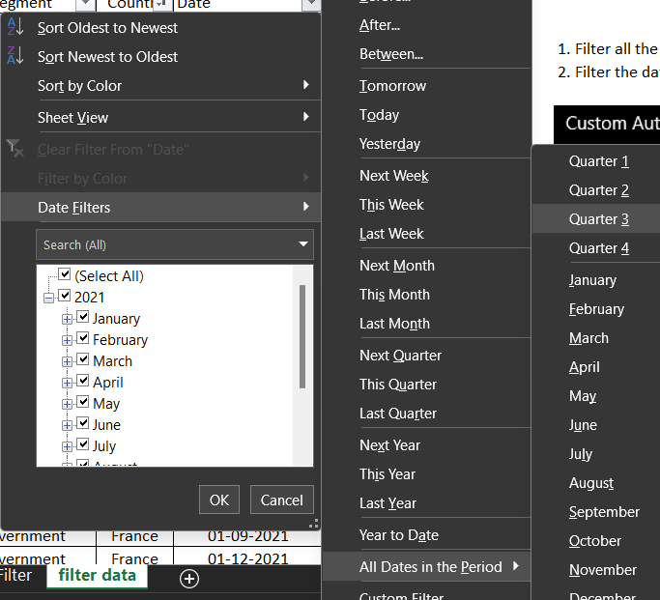
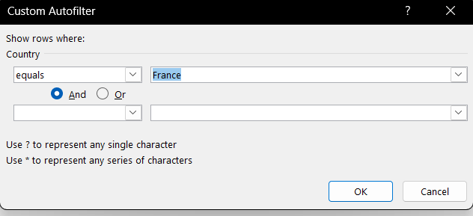
ID | Segment | Country | Date | Profit
25 | Channel Partners | France | 2021-09-01 | 60921
31 | Channel Partners | France | 2021-08-01 | 87532
207 | Channel Partners | France | 2021-09-01 | 258051
100 | Enterprise | France | 2021-08-01 | 109849 | Screenshots
113 | Enterprise | France | 2021-07-01 | 26819
5 | Government | France | 2021-09-01 | 135801
57 | Government | France | 2021-07-01 | 96209
138 | Government | France | 2021-07-01 | 44394
151 | Government | France | 2021-07-01 | 173616
248 | Government | France | 2021-07-01 | 89802
249 | Government | France | 2021-08-01 | 23250
257 | Government | France | 2021-08-01 | 7382
34 | Midmarket | France | 2021-07-01 | 57399
99 | Midmarket | France | 2021-09-01 | 147727
311 | Midmarket | France | 2021-07-01 | 176652
168 | Small Business | France | 2021-07-01 | 185869

